illustrative step guide
step 1 & 2
 | # immunizations provided at 4 different sites
Day | site a | site b | site c | site d |  | day | Mean each day | Overall median
1 | 67 | 44 | 75 | 43 |  | 1 | 57.25 | 54 | 1. calculate the mean across sites for day 1 , eg =mean(B3:E3)
2 | 49 | 29 | 8 | 34 |  | 2 | 30 | 54 | 2. calculate it for each of the other 19 days
3 | 18 | 95 | 100 | 67 |  | 3 | 70 | 54 | or use the 'fill' down feature
4 | 46 | 77 | 18 | 18 |  | 4 | 39.75 | 54 | 3. Calculate the overall median of the 20 days
5 | 42 | 20 | 36 | 86 |  | 5 | 46 | 54 | 4. EXCEL users--select the data in columns G-I and insert the correct chart type
6 | 91 | 79 | 19 | 90 |  | 6 | 69.75 | 54 | IS users select the data and save a file that can be inported into IS
7 | 50 | 71 | 31 | 78 |  | 7 | 57.5 | 54
8 | 55 | 7 | 27 | 78 |  | 8 | 41.75 | 54 |  |  |  | IS USERS
9 | 71 | 59 | 29 | 67 |  | 9 | 56.5 | 54 | EXCEL USERS figure creation: |  |  | easiest is to do the couple of calc in excel (step1-3)
10 | 82 | 71 | 36 | 65 |  | 10 | 63.5 | 54 |  |  | scatter | select the data in columns G-I and import to IS
output of step 4
11 | 42 | 70 | 81 | 95 |  | 11 | 72 | 54 |  |  |  | then in management, variable calculator choose new name
12 | 10 | 59 | 30 | 92 |  | 12 | 47.75 | 54 |  |  |  | such as days_ordinal select day ( must make it ordinal type of measure!!)
illustrative of run chart
13 | 54 | 2 | 16 | 88 |  | 13 | 40 | 54 |  |  |  | go to the plots tab choose control chart type+run chart
14 | 44 | 60 | 76 | 25 |  | 14 | 51.25 | 54 |  |  |  | x variable=daily mean
15 | 15 | 35 | 56 | 7 |  | 15 | 28.25 | 54 |  |  |  | time variable is the day(ordinal levelmeasurement)
16 | 77 | 65 | 58 | 66 |  | 16 | 66.5 | 54
17 | 90 | 92 | 71 | 55 |  | 17 | 77 | 54 |  |  |  | if don't do the step1-3 in excel.
18 | 85 | 75 | 47 | 38 |  | 18 | 61.25 | 54 |  |  |  | use the variable calculator to calculate the mean of the four sites for every day
19 | 34 | 58 | 0 | 63 |  | 19 | 38.75 | 54 |  |  |  | note at bottom quick functions: mean composite
20 | 75 | 36 | 90 | 5 |  | 20 | 51.5 | 54

 |  |  |  |  | overall | mean | 53.31 | step 3 | 5. change each line by right clicking and choosing
 |  |  |  |  | overall | median | 54.00 |  | change series chart type
 |  |  |  |  |  |  |  |  |  | change to 'line'
output of step 5
 | Mean each day | Overall median
1 | 57.25 | 54
2 | 30 | 54
3 | 70 | 54
4 | 39.75 | 54
5 | 46 | 54
6 | 69.75 | 54
7 | 57.5 | 54
8 | 41.75 | 54
9 | 56.5 | 54
10 | 63.5 | 54
11 | 72 | 54
12 | 47.75 | 54
13 | 40 | 54
14 | 51.25 | 54
15 | 28.25 | 54
16 | 66.5 | 54
17 | 77 | 54
18 | 61.25 | 54
19 | 38.75 | 54
20 | 51.5 | 54

 |  |  |  |  |  |  |  |  | 6. play with chart elements to change appearences and add titles, etc
Number of daily immunizations given at four sites
 | Mean each day | Overall median
1 | 57.25 | 54
2 | 30 | 54
3 | 70 | 54
4 | 39.75 | 54
5 | 46 | 54
6 | 69.75 | 54
7 | 57.5 | 54
8 | 41.75 | 54
9 | 56.5 | 54
10 | 63.5 | 54
11 | 72 | 54
12 | 47.75 | 54
13 | 40 | 54
14 | 51.25 | 54
15 | 28.25 | 54
16 | 66.5 | 54
17 | 77 | 54
18 | 61.25 | 54
19 | 38.75 | 54
20 | 51.5 | 54

example
Daily average immunization rate across clinic sites
1 | 57.25 | 54
2 | 30 | 54
3 | 70 | 54
4 | 39.75 | 54
5 | 46 | 54
6 | 69.75 | 54
7 | 57.5 | 54
8 | 41.75 | 54
9 | 56.5 | 54
10 | 63.5 | 54
11 | 72 | 54
12 | 47.75 | 54
13 | 40 | 54
14 | 51.25 | 54
15 | 28.25 | 54
16 | 66.5 | 54
17 | 77 | 54
18 | 61.25 | 54
19 | 38.75 | 54
20 | 51.5 | 54
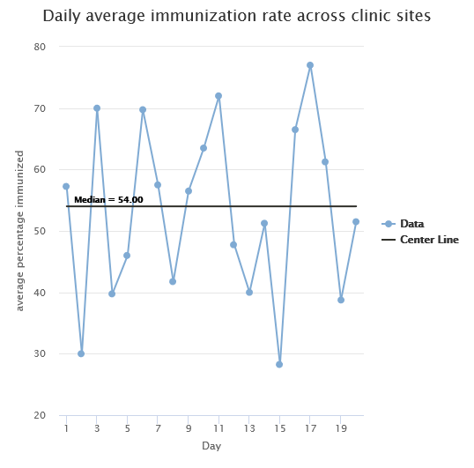

1. First think about what the problem is and what you expect:
Since we did not do any intervention we do not expect to see any process changes. We would expect to see common cause variation with the data points randomly distributed on either side of the median.

2. After plotting the run chart use the rules to determine if special cause variation exists:
We can identify 10 runs and there are 20 useable data points. No shifts or trends were noted and the number of runs (10) is between the expected number of 6-14 (using table shown in the module or in the Perla paper) indicating no special cause has occurred.
3. Now write an interpretation
In summary, this run chart indicates the type of variation we see is common cause variation. No change or special cause in the process has occurred.

